TestSummary
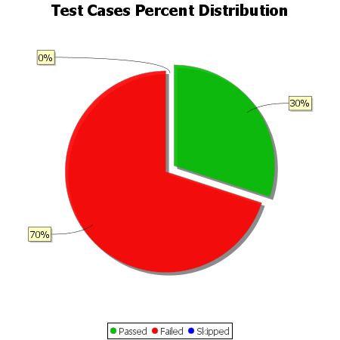
Total Test Cases | 10
Test Cases Passed | 3
Test Cases Failed | 7
Test Cases Skipped | 0

